Sheet1
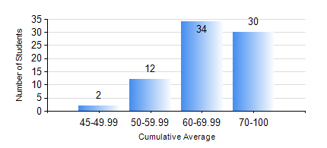
 |  |  | KWAME NKRUMAH UNIVERSITY OF SCIENCE AND TECHNOLOGY, KUMASI Department of Petroleum Engineering

 |  |  | BSC. PETROLEUM ENG.

 |  |  | COMPREHENSIVE RECORD OF EXAMINATION RESULTS

 |  |  | RESULTS OF YEAR 3 SECOND SEMESTER, 2018/2019 ACADEMIC YEAR

 | Sn | Course Code |  | Course Name | Credit Hours | Min. Mark | Max. Mark | Avg. Mark | Std. Dev. | No. Passed | No. Trailed | No. (Df) | No. (I) | No. (I*) | No. Tagged(I,I*,Df) | Total
 | 0. |  |  |  |  |  |  | 0 | 0 | 0 | 0 | 0 | 0 | 0 | 0 | 2
 | 1. | CHE 358 |  | NUMERICAL METHODS FOR CHEMICAL ENGINEERS | 2 | 24 | 93 | 58 | 16.18 | 69 | 7 | 0 | 0 | 0 | 0 | 76
 | 2. | PETE 350 |  | DRILLING ENGINEERING | 3 | 42 | 99 | 75 | 13.08 | 76 | 0 | 0 | 0 | 0 | 0 | 76
 | 3. | PETE 352 |  | PETROLEUM GEOLOGY | 3 | 44 | 81 | 66 | 7.28 | 76 | 0 | 0 | 0 | 0 | 0 | 76
 | 4. | PETE 354 |  | PRODUCTION ENGINEERING | 3 | 44 | 91 | 69 | 12.44 | 76 | 0 | 0 | 0 | 0 | 0 | 76
 | 5. | PETE 356 |  | PETROLEUM ENGINEERING LABORATORY II | 2 | 41 | 85 | 58 | 10.15 | 76 | 0 | 0 | 0 | 0 | 0 | 76
 | 6. | PETE 358 |  | WELL PERFORMANCE | 3 | 20 | 88 | 54 | 15.45 | 67 | 9 | 0 | 0 | 0 | 0 | 76
 | 7. | PETE 360 |  | GEOSTATISTICS | 2 | 40 | 90 | 67 | 11.93 | 76 | 0 | 0 | 0 | 0 | 0 | 76
 | 8. | PETE 362 |  | OIL AND GAS FOR GEOPHYSICS | 2 | 47 | 98 | 80 | 10.82 | 76 | 0 | 0 | 0 | 0 | 0 | 76

